TC2_1
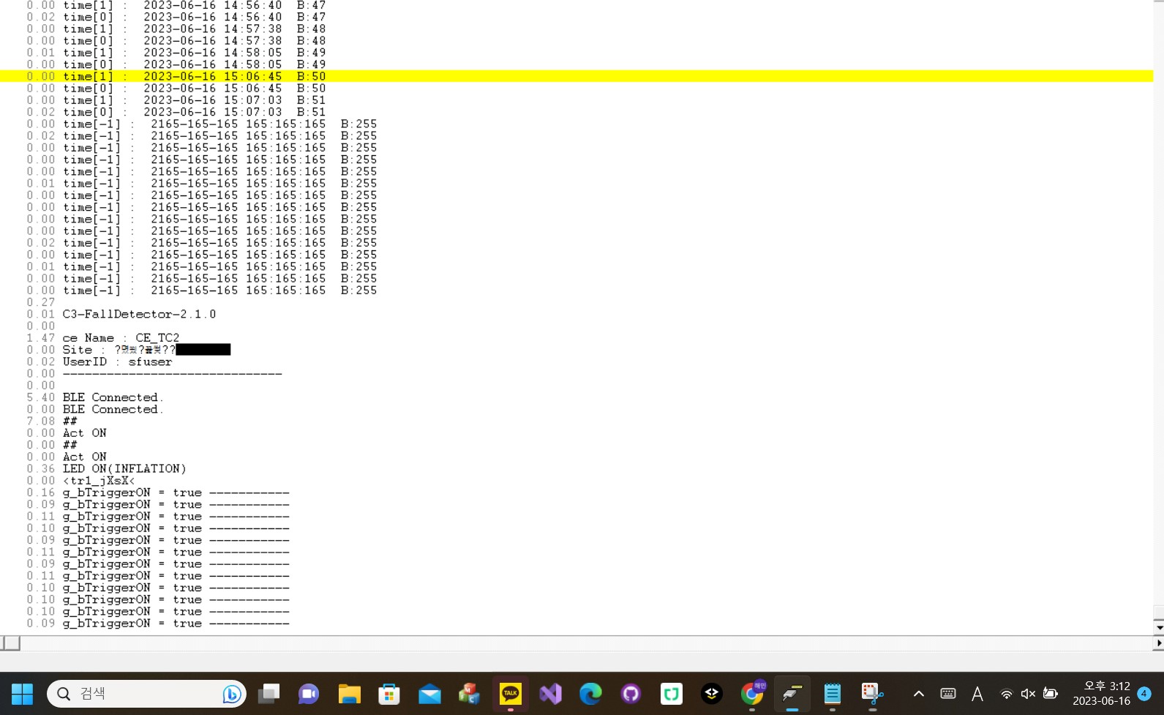
Time_diff | TimeStamp
 | 2.53 | gStart! CLK=48MHz, Ver=Ver0320_20230331
0 | 2.53 | <rst-c1.5<
0.01 | 2.54 | LoadFlashData............
0 | 2.54 | batt=2262
0 | 2.54 | Trigger=1
0 | 2.54 | 2262,00,-1,-1,00,01,-1
0 | 2.54 | 605,-1057,-7223,4457,1557,6007,-3419
0.02 | 2.56 | 606,-475,-7772,4803,1200,6126,-3189
0 | 2.56 | 607,201,-8224,5120,-713,6363,-3038
0 | 2.56 | 608,369,-7073,4260,-1376,5954,-2426
0 | 2.56 | 609,181,-7322,3371,-1829,6288,-1838
0 | 2.56 | 610,114,-7881,2990,-2002,5975,-1361
0.01 | 2.57 | 611,-187,-8384,3612,-2567,5424,-1155
0 | 2.57 | 612,-26,-8588,3856,-4043,5054,-933
0 | 2.57 | 613,-220,-8148,2164,-4533,5059,-638
0 | 2.57 | 614,-179,-7588,2147,-4324,5281,-2
0.02 | 2.59 | 615,83,-8257,-174,-2973,5878,253
0 | 2.59 | 616,-591,-8774,-99,-1713,5616,142
0 | 2.59 | 617,-735,-9240,1307,-1995,4435,178
0 | 2.59 | 618,-119,-8281,3479,-3429,2536,-13
0 | 2.59 | 619,-1016,-9558,2262,-4610,597,-1011
0.01 | 2.6 | 620,-1323,-9016,944,-5676,659,-1055
0 | 2.6 | 621,358,-8057,-2463,-4133,1099,-591
0 | 2.6 | 622,1249,-8738,-2191,-2900,1705,51
0 | 2.6 | 623,1833,-9879,-1272,-2423,839,989
0.02 | 2.62 | 624,1125,-10721,-273,-3189,-94,1220
0 | 2.62 | 625,-542,-11421,48,-4645,-533,1140
0 | 2.62 | 626,-1396,-11190,95,-5322,-1061,1226
0 | 2.62 | 627,-925,-11854,614,-5814,-1239,1249
0 | 2.62 | 628,-850,-10400,521,-6275,-346,834
0.02 | 2.64 | 629,-478,-9842,-2017,-4723,-694,846
0 | 2.64 | 630,-1157,-9378,-4827,-2768,-847,300
0 | 2.64 | 631,-695,-9635,-3727,-2125,-1415,39
0 | 2.64 | 632,-326,-9545,-1675,-1859,-2040,198
0.01 | 2.65 | 633,-816,-9108,-2518,-198,-2551,-391
0 | 2.65 | 634,-1910,-9191,-2528,1335,-2802,-1004
0 | 2.65 | 635,-1764,-8591,-2216,1955,-3276,-991
0 | 2.65 | 636,-694,-6794,-2219,2436,-3457,-891
0 | 2.65 | 637,-374,-6057,-2893,3462,-2728,-944
0 | 2.65 | 638,-805,-6007,-1924,4014,-1439,-845
0.02 | 2.67 | 639,-337,-6000,-915,3993,-238,-809
0.01 | 2.68 | 640,194,-5910,-849,3409,574,-1092
0 | 2.68 | 641,92,-6145,-1122,2784,974,-1400
0 | 2.68 | 642,-376,-6193,493,1758,1588,-1526
0 | 2.68 | 643,207,-6009,1126,1226,2699,-873
0 | 2.68 | 644,-139,-5633,1483,714,3489,-682
0 | 2.68 | 645,-833,-5648,1308,567,4184,-470
0 | 2.68 | 646,-1251,-5987,1396,178,4931,-127
0 | 2.68 | 647,-901,-6477,2094,-519,5863,187
0.02 | 2.7 | 648,-822,-6655,2152,-821,6002,139
0 | 2.7 | 649,-1434,-6716,1457,-947,6540,173
0 | 2.7 | 650,-1929,-6696,1073,-1142,7017,-111
0.01 | 2.71 | 651,-2014,-6847,1113,-1121,7631,-735
0 | 2.71 | 652,-1333,-6939,700,-1446,7448,-777
0 | 2.71 | 653,-1321,-7042,620,-1472,7871,-1440
0 | 2.71 | 654,-1770,-7083,128,-1059,8017,-1567
0 | 2.71 | 655,-1770,-7362,50,-995,8292,-2453
0.02 | 2.73 | 656,-609,-7670,102,-1183,7738,-2854
0 | 2.73 | 657,-240,-8029,266,-1057,7335,-3087
0 | 2.73 | 658,-266,-8551,104,-455,6736,-3567
0 | 2.73 | 659,398,-8855,-90,-614,6478,-3246
0.02 | 2.75 | 660,969,-9301,-513,-593,6333,-3010
0 | 2.75 | 661,644,-9400,-898,20,6062,-2437
0 | 2.75 | 662,996,-9593,-1021,1039,5511,-1930
0 | 2.75 | 663,1718,-9846,-691,1403,5421,-1495
0 | 2.75 | 664,1223,-9875,-1462,1704,6024,-756
0.01 | 2.76 | 665,804,-9603,-1638,2410,5932,398
0 | 2.76 | 666,1583,-9524,-1406,2507,5388,1155
0 | 2.76 | 667,1288,-9419,-1372,2449,4664,1980
0 | 2.76 | 668,850,-8948,-644,2617,4333,2684
0 | 2.76 | 669,425,-8302,-206,2555,3747,3581
0 | 2.76 | 670,37,-7388,-234,1964,3136,3837
0.02 | 2.78 | 671,-644,-7054,762,892,2782,3711
0 | 2.78 | 672,-966,-6517,2337,365,1561,3760
0 | 2.78 | 673,-1438,-5616,2531,34,1071,3485
0 | 2.78 | 674,-1359,-4449,1543,-842,845,2950
0.01 | 2.79 | 675,-1509,-3164,1530,-1849,734,2051
0 | 2.79 | 676,-1462,-1926,1025,-3449,76,1647
0 | 2.79 | 677,-1186,-1005,1115,-4535,-129,1254
0 | 2.79 | 678,-1018,-774,1338,-5669,-112,348
0 | 2.79 | 679,-710,-722,1343,-6837,-746,-38
0.02 | 2.81 | 680,-564,-982,2704,-6569,-1037,-667
0 | 2.81 | 681,-703,-1287,2105,-5595,-1338,-970
0 | 2.81 | 682,-770,-688,1286,-5808,-1704,-1261
0.01 | 2.82 | 683,-901,-75,1214,-5164,-1723,-1454
0 | 2.82 | 684,-847,468,885,-4797,-1060,-1782
0 | 2.82 | 685,-788,320,603,-4397,-771,-1670
0 | 2.82 | 686,-136,1773,-608,-3431,-1054,-1956
0 | 2.82 | 687,-69,1695,-1334,-2560,-1726,-2029
0 | 2.82 | 688,-534,449,-987,-2597,-1589,-2029
0.02 | 2.84 | 689,-957,274,108,-3476,-1372,-1560
0 | 2.84 | 690,-733,738,-263,-2992,-1049,-1587
0 | 2.84 | 691,-890,199,-2045,-2390,-1723,-1823
0 | 2.84 | 692,-1404,-129,-2783,-1559,-2152,-2405
0 | 2.84 | 693,-1840,-591,-2079,-667,-1898,-2598
0.01 | 2.85 | 1234,5870,-10917,-7126,4723,-1391,-2536
0 | 2.85 | 00,8599,-32384,-17847,8341,-3770,-106
0 | 2.85 | 01,-462,-32767,-13149,12895,-13196,578
0.02 | 2.87 | 02,-9741,-32767,-426,32767,-7476,14636
0 | 2.87 | 03,-968,-32767,15507,24131,-2362,13707
0 | 2.87 | 04,3244,-17360,15392,6963,15229,3885
0 | 2.87 | 05,3377,-17732,6102,-1607,12582,-4541
0 | 2.87 | 06,3919,-14408,702,-3259,9734,-7177
0.02 | 2.89 | 07,4964,-12370,1062,-12121,4488,-7835
0 | 2.89 | 08,3426,-10348,902,-20493,2327,-7280
0 | 2.89 | 09,2295,-7900,-2151,-26317,-1380,-5221
0.01 | 2.9 | 10,2007,-6981,-820,-26637,-7993,-4670
0 | 2.9 | 11,1918,-7021,629,-15220,-12046,-4263
0 | 2.9 | 12,2461,-3995,-2789,-6609,-12428,-2580
0 | 2.9 | 13,134,-784,-8203,-941,-13025,-1044
0 | 2.9 | 14,-2972,-4110,-6588,551,-10460,1764
0.02 | 2.92 | 15,-2155,-6617,-6598,1890,-5208,3842
0 | 2.92 | 16,-868,-8187,-4892,3023,-1963,4344
0 | 2.92 | 17,-1966,-8293,-4027,2533,462,3414
0 | 2.92 | 18,-1787,-8242,-2181,1147,1457,3120
0 | 2.92 | 19,-1156,-7829,-1585,1011,1595,3192
0.01 | 2.93 | 20,-373,-7964,-1177,1175,567,2579
0 | 2.93 | 21,-259,-8267,-342,1050,-221,2125
0 | 2.93 | 22,-741,-8277,-866,704,-290,1639
0 | 2.93 | 23,-1466,-7687,-2330,71,-714,1476
0.02 | 2.95 | 24,-1129,-7345,-3484,-835,-158,1381
0 | 2.95 | 25,-704,-6885,-4120,-859,541,1777
0 | 2.95 | 26,-749,-6588,-4589,-423,1314,1675
0 | 2.95 | 27,-1192,-6636,-4493,-1,2171,1696
0 | 2.95 | 28,-1321,-6745,-4037,315,2948,1643
0.01 | 2.96 | 29,-1259,-6955,-3333,309,3378,1610
0 | 2.96 | 30,-1218,-7353,-2489,171,3978,1641
0 | 2.96 | 31,-1242,-7515,-1884,-129,4107,1313
0 | 2.96 | 32,-1303,-7531,-1673,-480,4397,1498
0.02 | 2.98 | 33,-1149,-7434,-1815,-806,4711,1188
0 | 2.98 | 34,-1016,-7317,-2236,-948,4995,853
0 | 2.98 | 35,-910,-7188,-2640,-1125,5313,527
0 | 2.98 | 36,-889,-7064,-2817,-1193,5490,687
0 | 2.98 | 37,-980,-7014,-3015,-1022,6118,325
0.02 | 3 | 38,-590,-7045,-3160,-755,6278,395
0 | 3 | 39,-410,-6980,-3158,-616,6161,466
0 | 3 | 40,-501,-7138,-3132,-396,6609,01
0 | 3 | 41,-559,-7537,-3111,-241,6533,504
0 | 3 | 42,-239,-7609,-2819,-349,6521,481
0 | 3 | 43,-112,-7400,-2997,45,6506,374
0.01 | 3.01 | 44,-117,-7484,-3168,442,6414,709
0 | 3.01 | 45,81,-7576,-3371,679,6871,520
0 | 3.01 | 46,462,-7337,-3777,991,6469,779
0 | 3.01 | 47,650,-7187,-3938,1320,6615,1026
0.02 | 3.03 | 48,594,-7256,-3746,1651,6217,1751
0 | 3.03 | 49,572,-7371,-3848,1861,6294,1935
0 | 3.03 | 50,353,-7421,-3148,1984,6383,2132
0.01 | 3.04 | 51,404,-7401,-3000,2058,5961,2430
0 | 3.04 | 52,346,-7610,-2742,2054,5642,2784
0 | 3.04 | 53,55,-7642,-2568,1911,5865,2693
0 | 3.04 | 54,-165,-7530,-2471,1658,5583,2705
0 | 3.04 | 55,-243,-7516,-2261,1485,5287,2781
0 | 3.04 | 56,-87,-7498,-2182,1162,4993,2333
0.02 | 3.06 | 57,52,-7331,-2298,928,4769,2337
0 | 3.06 | 58,167,-7152,-2298,817,4118,2329
0 | 3.06 | 59,-143,-6846,-1839,348,2664,2407
0 | 3.06 | time[1] : 2023-06-16 14:54:42 B:44
0 | 3.06 | time[0] : 2023-06-16 14:54:42 B:44
0.01 | 3.07 | time[1] : 2023-06-16 14:55:00 B:45
0 | 3.07 | time[0] : 2023-06-16 14:55:00 B:45
0 | 3.07 | time[1] : 2023-06-16 14:56:26 B:46
0 | 3.07 | time[0] : 2023-06-16 14:56:26 B:46
0 | 3.07 | time[1] : 2023-06-16 14:56:40 B:47
0.02 | 3.09 | time[0] : 2023-06-16 14:56:40 B:47
0 | 3.09 | time[1] : 2023-06-16 14:57:38 B:48
0 | 3.09 | time[0] : 2023-06-16 14:57:38 B:48
0.01 | 3.1 | time[1] : 2023-06-16 14:58:05 B:49
0 | 3.1 | time[0] : 2023-06-16 14:58:05 B:49
0 | 3.1 | time[1] : 2023-06-16 15:06:45 B:50
0 | 3.1 | time[0] : 2023-06-16 15:06:45 B:50
0 | 3.1 | time[1] : 2023-06-16 15:07:03 B:51
0.02 | 3.12 | time[0] : 2023-06-16 15:07:03 B:51
0 | 3.12 | time[-1] : 2165-165-165 165:165:165 B:255
0.02 | 3.14 | time[-1] : 2165-165-165 165:165:165 B:255
0 | 3.14 | time[-1] : 2165-165-165 165:165:165 B:255
0 | 3.14 | time[-1] : 2165-165-165 165:165:165 B:255
0 | 3.14 | time[-1] : 2165-165-165 165:165:165 B:255
0.01 | 3.15 | time[-1] : 2165-165-165 165:165:165 B:255
0 | 3.15 | time[-1] : 2165-165-165 165:165:165 B:255
0 | 3.15 | time[-1] : 2165-165-165 165:165:165 B:255
0 | 3.15 | time[-1] : 2165-165-165 165:165:165 B:255
0 | 3.15 | time[-1] : 2165-165-165 165:165:165 B:255
0.02 | 3.17 | time[-1] : 2165-165-165 165:165:165 B:255
0 | 3.17 | time[-1] : 2165-165-165 165:165:165 B:255
0.01 | 3.18 | time[-1] : 2165-165-165 165:165:165 B:255
0 | 3.18 | time[-1] : 2165-165-165 165:165:165 B:255
0 | 3.18 | time[-1] : 2165-165-165 165:165:165 B:255
0.27 | 3.45
0.01 | 3.46 | C3-FallDetector-2.1.0
0 | 3.46
1.47 | 4.93 | ce Name : CE_TC2
0 | 4.93 | Site : ?몄씠?꾩썾??
0.02 | 4.95 | UserID : sfuser
0 | 4.95 | ------------------------------
0 | 4.95
5.4 | 10.35 | BLE Connected.
0 | 10.35 | BLE Connected.
7.08 | 17.43 | ##
0 | 17.43 | Act ON
0 | 17.43 | ##
0 | 17.43 | Act ON
0.36 | 17.79 | LED ON(INFLATION)
0 | 17.79 | <tr1_jXsX<
0.16 | 17.95 | g_bTriggerON = true -----------
0.09 | 18.04 | g_bTriggerON = true -----------
0.11 | 18.15 | g_bTriggerON = true -----------
0.1 | 18.25 | g_bTriggerON = true -----------
0.09 | 18.34 | g_bTriggerON = true -----------
0.11 | 18.45 | g_bTriggerON = true -----------
0.09 | 18.54 | g_bTriggerON = true -----------
0.11 | 18.65 | g_bTriggerON = true -----------
0.1 | 18.75 | g_bTriggerON = true -----------
0.1 | 18.85 | g_bTriggerON = true -----------
0.1 | 18.95 | g_bTriggerON = true -----------
0.09 | 19.04 | g_bTriggerON = true -----------

TC2_2
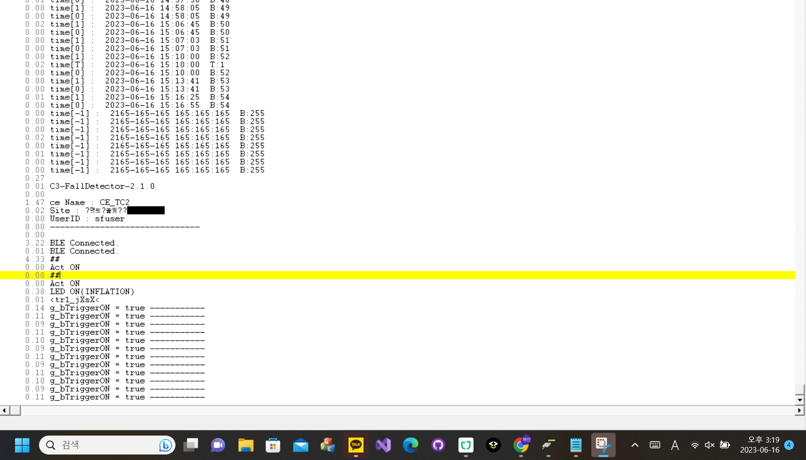
Time_diff | TimeStamp
 | 121.95 | BLE Connected.gStart! CLK=48MHz, Ver=Ver0320_20230331
0 | 121.95 | <rst-c1.5<
0 | 121.95 | LoadFlashData............
0 | 121.95 | batt=2260
0 | 121.95 | Trigger=1
0.01 | 121.96 | 2260,00,-1,-1,00,01,-1
0 | 121.96 | 628,-9,-6677,-4834,-18,13,10
0 | 121.96 | 629,-4,-6669,-4832,-10,17,21
0 | 121.96 | 630,01,-6661,-4830,-3,23,15
0 | 121.96 | 631,-1,-6648,-4817,-3,30,19
0 | 121.96 | 632,01,-6666,-4831,-7,10,28
0 | 121.96 | 633,-3,-6662,-4821,03,13,24
0.02 | 121.98 | 634,-18,-6675,-4801,04,511,23
0 | 121.98 | 635,-3,-6689,-4833,07,13,35
0 | 121.98 | 636,-11,-6680,-4818,00,505,29
0 | 121.98 | 637,-8,-6676,-4810,01,05,44
0.02 | 122 | 638,-14,-6674,-4813,04,509,33
0 | 122 | 639,-15,-6686,-4797,03,509,35
0 | 122 | 640,-8,-6687,-4816,-6,507,41
0 | 122 | 641,-7,-6669,-4814,03,506,44
0 | 122 | 642,-7,-6675,-4825,03,499,57
0 | 122 | 643,-8,-6678,-4813,06,501,30
0 | 122 | 644,07,-6675,-4826,-1,491,43
0.01 | 122.01 | 645,-3,-6684,-4824,-1,487,46
0 | 122.01 | 646,16,-6690,-4817,10,498,53
0.02 | 122.03 | 647,-8,-6675,-4812,01,490,52
0 | 122.03 | 648,06,-6683,-4810,-5,487,52
0 | 122.03 | 649,-18,-6678,-4816,03,495,37
0 | 122.03 | 650,01,-6696,-4805,-8,495,40
0 | 122.03 | 651,13,-6672,-4792,-11,481,50
0 | 122.03 | 652,-1,-6681,-4809,-10,490,54
0 | 122.03 | 653,07,-6689,-4829,-16,476,42
0 | 122.03 | 654,16,-6690,-4821,-23,492,40
0.01 | 122.04 | 655,15,-6675,-4797,-21,482,38
0 | 122.04 | 656,06,-6694,-4797,-21,483,35
0 | 122.04 | 657,14,-6698,-4820,-24,486,38
0 | 122.04 | 658,10,-6680,-4820,-36,491,26
0 | 122.04 | 659,09,-6661,-4819,-36,486,33
0.02 | 122.06 | 660,22,-6698,-4823,-30,480,37
0 | 122.06 | 661,33,-6686,-4826,-32,494,29
0 | 122.06 | 662,17,-6677,-4828,-37,492,31
0 | 122.06 | 663,12,-6675,-4801,-41,500,17
0.01 | 122.07 | 664,-2,-6692,-4826,-42,497,22
0 | 122.07 | 665,03,-6692,-4796,-44,506,31
0 | 122.07 | 666,20,-6685,-4801,-47,506,26
0 | 122.07 | 667,04,-6688,-4808,-52,503,15
0.02 | 122.09 | 668,15,-6687,-4809,-43,511,08
0 | 122.09 | 669,21,-6684,-4821,-51,07,21
0 | 122.09 | 670,18,-6688,-4823,-51,02,04
0 | 122.09 | 671,21,-6681,-4817,-52,508,01
0 | 122.09 | 672,26,-6684,-4805,-53,09,00
0 | 122.09 | 673,05,-6671,-4803,-53,08,07
0 | 122.09 | 674,10,-6689,-4810,-57,14,04
0 | 122.09 | 675,08,-6676,-4798,-53,20,08
0.01 | 122.1 | 676,14,-6689,-4802,-64,13,08
0 | 122.1 | 677,24,-6694,-4820,-54,19,05
0 | 122.1 | 678,19,-6691,-4801,-62,18,508
0.02 | 122.12 | 679,13,-6686,-4822,-61,26,509
0 | 122.12 | 680,07,-6687,-4800,-63,24,493
0 | 122.12 | 681,12,-6675,-4803,-59,30,507
0 | 122.12 | 682,-8,-6691,-4819,-53,36,506
0 | 122.12 | 683,14,-6683,-4829,-59,39,500
0 | 122.12 | 684,12,-6663,-4840,-50,26,503
0 | 122.12 | 685,05,-6674,-4836,-51,22,510
0 | 122.12 | 686,14,-6655,-4836,-29,31,510
0.02 | 122.14 | 687,06,-6666,-4821,-45,36,04
0 | 122.14 | 688,11,-6677,-4824,-42,40,503
0 | 122.14 | 689,11,-6655,-4832,-35,36,508
0 | 122.14 | 690,-8,-6671,-4818,-32,31,508
0.01 | 122.15 | 691,04,-6684,-4808,-25,34,508
0 | 122.15 | 692,-9,-6677,-4827,-38,47,07
0 | 122.15 | 693,-8,-6684,-4810,-31,30,12
0 | 122.15 | 694,05,-6672,-4831,-21,29,504
0 | 122.15 | 695,-5,-6677,-4822,-26,23,11
0 | 122.15 | 696,-23,-6679,-4812,-26,23,07
0.02 | 122.17 | 697,-11,-6662,-4818,-24,27,09
0 | 122.17 | 698,-12,-6674,-4816,-13,19,09
0 | 122.17 | 699,-1503,4422,4177,-23506,-566,-560
0 | 122.17 | 700,1367,5673,-3301,-5449,2308,-535
0 | 122.17 | 701,2167,-540,1112,-2818,1210,493
0 | 122.17 | 702,837,-2434,-869,192,67,322
0.01 | 122.18 | 703,-2713,-598,227,2683,-461,197
0 | 122.18 | 704,-113,-143,1492,1030,995,72
0 | 122.18 | 705,-134,-295,471,-786,156,236
0 | 122.18 | 706,20,-201,-593,-739,358,244
0.02 | 122.2 | 707,37,-333,-427,-111,449,187
0 | 122.2 | 708,-92,-471,166,16,278,-256
0 | 122.2 | 709,59,258,-207,-420,373,211
0 | 122.2 | 710,90,-334,-178,-605,451,195
0 | 122.2 | 711,90,-262,-545,-346,338,227
0.01 | 122.21 | 712,-122,-315,66,-168,442,169
0 | 122.21 | 713,-80,-190,-201,-447,383,204
0 | 122.21 | 714,83,-227,-195,-376,13,196
0 | 122.21 | 715,167,-298,-23,-384,393,153
0 | 122.21 | 716,26,-257,-112,-379,444,126
0.02 | 122.23 | 1234,-6327,-21292,-20044,-3513,620,6937
0 | 122.23 | 00,6782,-4209,10171,5869,-547,7985
0 | 122.23 | 01,984,2372,-1797,2487,3116,551
0 | 122.23 | 02,2191,6364,2757,5704,1008,35
0 | 122.23 | 03,-5109,2673,848,5160,1967,-1203
0 | 122.23 | 04,-2151,1562,-2976,1503,2292,-576
0.02 | 122.25 | 05,549,-2087,2744,2312,270,-1538
0 | 122.25 | 06,1326,-319,142,2457,787,-1758
0 | 122.25 | 07,392,251,-1104,3287,1437,-1210
0 | 122.25 | 08,2908,-4223,-31539,5503,7150,-764
0.01 | 122.26 | 09,9809,-14619,-15984,12930,2412,389
0 | 122.26 | 10,8059,-15244,-13695,6889,-753,1541
0 | 122.26 | 11,3158,-4446,-3480,4369,-1278,3159
0 | 122.26 | 12,3247,-14336,-1372,6661,-1393,2472
0 | 122.26 | 13,-690,-16026,-7415,7517,-1358,1843
0.02 | 122.28 | 14,-1453,-11635,-1195,3010,-376,1995
0 | 122.28 | 15,-317,-5044,-1082,2748,-546,1378
0 | 122.28 | 16,-346,-8045,-898,3719,-1012,775
0.01 | 122.29 | 17,-980,-8710,-1315,2950,-557,1013
0 | 122.29 | 18,-467,-7153,-1415,2757,-692,365
0 | 122.29 | 19,-1082,-9175,-2212,2770,-704,135
0 | 122.29 | 20,-1078,-8022,-1966,2370,-739,-116
0 | 122.29 | 21,-837,-8299,-636,2300,-379,-473
0 | 122.29 | 22,-917,-9832,-760,1883,-303,-688
0.02 | 122.31 | 23,372,-9638,2022,1264,-754,-949
0 | 122.31 | 24,489,-10176,2530,435,-858,-795
0 | 122.31 | 25,193,-9866,1250,-375,-1042,-1228
0 | 122.31 | 26,154,-9112,-105,-1012,-1463,-1073
0 | 122.31 | 27,50,-8503,-1045,-1461,-1090,-1079
0.01 | 122.32 | 28,129,-8384,-1345,-1878,-818,-1081
0 | 122.32 | 29,301,-8046,-1562,-1628,-624,-1162
0 | 122.32 | 30,469,-8491,-1392,-1871,-329,-1249
0 | 122.32 | 31,924,-8438,-1628,-2088,-64,-892
0.02 | 122.34 | 32,1558,-8127,-1546,-2287,-234,-645
0 | 122.34 | 33,2090,-8140,-1654,-2520,245,-439
0 | 122.34 | 34,2360,-7825,-1712,-2763,246,244
0 | 122.34 | 35,2429,-7544,-1593,-2943,-211,426
0 | 122.34 | 36,2463,-7817,-1706,-3172,-102,611
0.01 | 122.35 | 37,2132,-7786,-1646,-3406,-486,868
0 | 122.35 | 38,1568,-8069,-1670,-3664,-321,1278
0 | 122.35 | 39,699,-8246,-1790,-3948,-707,827
0 | 122.35 | 40,-1113,-11918,-14950,-1743,-1284,427
0 | 122.35 | 41,-763,-5531,-4033,-3837,130,370
0.02 | 122.37 | 42,-668,-2692,-3940,-2320,-640,-462
0 | 122.37 | 43,-330,-6740,-7545,-1780,-553,-27
0 | 122.37 | 44,123,-4092,-4759,-1655,-405,-23
0 | 122.37 | 45,495,-5633,-6090,-905,-394,-118
0.02 | 122.39 | 46,585,-5162,-5693,-899,-492,-155
0 | 122.39 | 47,727,-4884,-5267,-183,-20,242
0 | 122.39 | 48,652,-5752,-6430,57,-41,212
0 | 122.39 | 49,354,-4804,-5180,519,-32,-254
0 | 122.39 | 50,266,-5438,-6143,926,-129,-190
0.01 | 122.4 | 51,563,-5250,-5406,1341,251,-239
0 | 122.4 | 52,726,-5272,-5804,1695,176,242
0 | 122.4 | 53,742,-5130,-5441,2007,129,153
0 | 122.4 | 54,543,-5336,-5788,2465,48,153
0.02 | 122.42 | 55,539,-5230,-5316,2890,02,199
0 | 122.42 | 56,960,-8453,-4451,3746,44,-195
0 | 122.42 | 57,2057,-14692,-4334,3728,305,282
0 | 122.42 | 58,394,-8313,-803,1580,336,374
0 | 122.42 | 59,611,-8544,-1589,1115,726,63
0 | 122.42 | time[1] : 2023-06-16 14:54:42 B:44
0.01 | 122.43 | time[0] : 2023-06-16 14:54:42 B:44
0 | 122.43 | time[1] : 2023-06-16 14:55:00 B:45
0 | 122.43 | time[0] : 2023-06-16 14:55:00 B:45
0 | 122.43 | time[1] : 2023-06-16 14:56:26 B:46
0 | 122.43 | time[0] : 2023-06-16 14:56:26 B:46
0.02 | 122.45 | time[1] : 2023-06-16 14:56:40 B:47
0 | 122.45 | time[0] : 2023-06-16 14:56:40 B:47
0 | 122.45 | time[1] : 2023-06-16 14:57:38 B:48
0.01 | 122.46 | time[0] : 2023-06-16 14:57:38 B:48
0 | 122.46 | time[1] : 2023-06-16 14:58:05 B:49
0 | 122.46 | time[0] : 2023-06-16 14:58:05 B:49
0.02 | 122.48 | time[1] : 2023-06-16 15:06:45 B:50
0 | 122.48 | time[0] : 2023-06-16 15:06:45 B:50
0 | 122.48 | time[1] : 2023-06-16 15:07:03 B:51
0 | 122.48 | time[0] : 2023-06-16 15:07:03 B:51
0 | 122.48 | time[1] : 2023-06-16 15:10:00 B:52
0.02 | 122.5 | time[T] : 2023-06-16 15:10:00 T:1
0 | 122.5 | time[0] : 2023-06-16 15:10:00 B:52
0 | 122.5 | time[1] : 2023-06-16 15:13:41 B:53
0 | 122.5 | time[0] : 2023-06-16 15:13:41 B:53
0.01 | 122.51 | time[1] : 2023-06-16 15:16:25 B:54
0 | 122.51 | time[0] : 2023-06-16 15:16:55 B:54
0 | 122.51 | time[-1] : 2165-165-165 165:165:165 B:255
0 | 122.51 | time[-1] : 2165-165-165 165:165:165 B:255
0 | 122.51 | time[-1] : 2165-165-165 165:165:165 B:255
0.02 | 122.53 | time[-1] : 2165-165-165 165:165:165 B:255
0 | 122.53 | time[-1] : 2165-165-165 165:165:165 B:255
0.01 | 122.54 | time[-1] : 2165-165-165 165:165:165 B:255
0 | 122.54 | time[-1] : 2165-165-165 165:165:165 B:255
0 | 122.54 | time[-1] : 2165-165-165 165:165:165 B:255
0.27 | 122.81
0.01 | 122.82 | C3-FallDetector-2.1.0
0 | 122.82
1.47 | 124.29 | ce Name : CE_TC2
0.02 | 124.31 | Site : ?몄씠?꾩썾??
0 | 124.31 | UserID : sfuser
0 | 124.31 | ------------------------------
0 | 124.31
3.22 | 127.53 | BLE Connected.
0.01 | 127.54 | BLE Connected.
4.33 | 131.87 | ##
0 | 131.87 | Act ON
0 | 131.87 | ##
0 | 131.87 | Act ON
0.38 | 132.25 | LED ON(INFLATION)
0.01 | 132.26 | <tr1_jXsX<
0.14 | 132.4 | g_bTriggerON = true -----------
0.11 | 132.51 | g_bTriggerON = true -----------
0.09 | 132.6 | g_bTriggerON = true -----------
0.11 | 132.71 | g_bTriggerON = true -----------
0.1 | 132.81 | g_bTriggerON = true -----------
0.09 | 132.9 | g_bTriggerON = true -----------
0.11 | 133.01 | g_bTriggerON = true -----------
0.09 | 133.1 | g_bTriggerON = true -----------
0.11 | 133.21 | g_bTriggerON = true -----------
0.1 | 133.31 | g_bTriggerON = true -----------
0.09 | 133.4 | g_bTriggerON = true -----------
0.11 | 133.51 | g_bTriggerON = true -----------

TC2_3
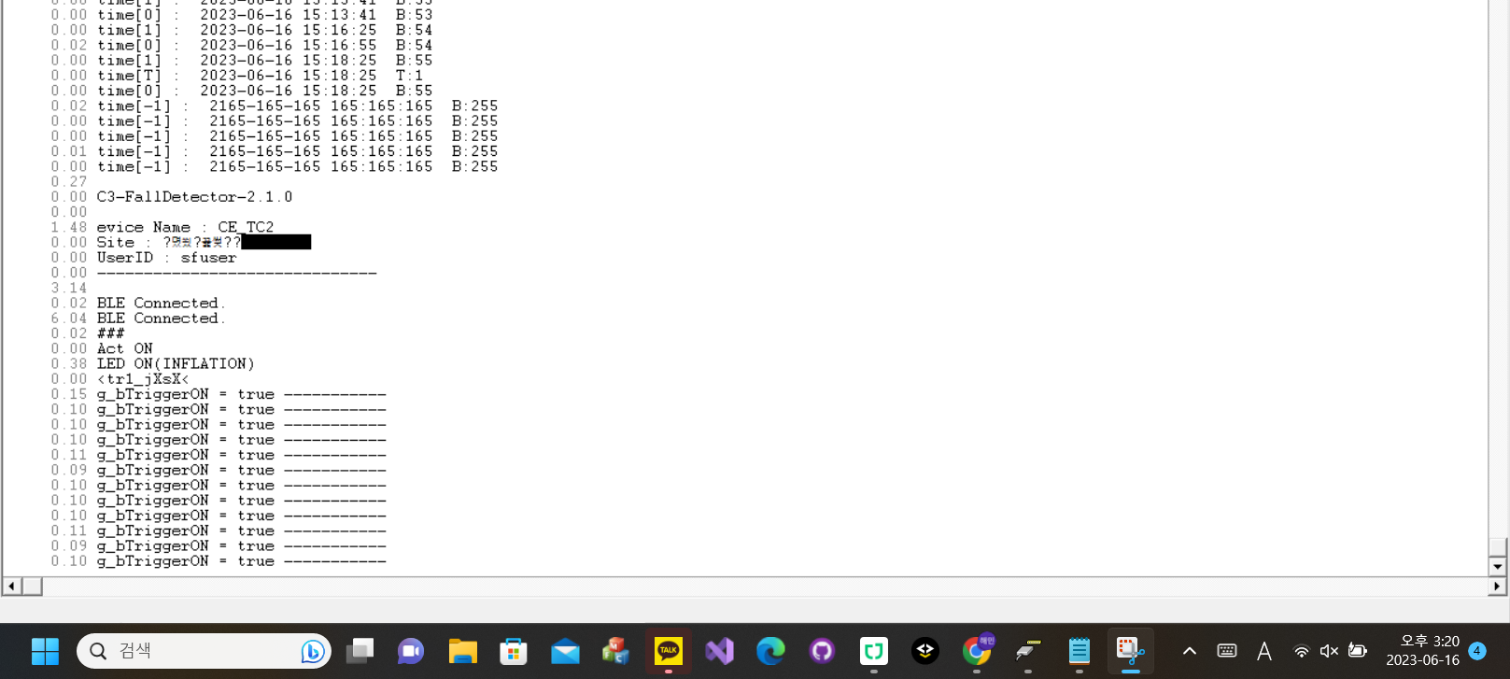
Time_diff | TimeStamp
 | 2.54 | gStart! CLK=48MHz, Ver=Ver0320_20230331
0 | 2.54 | <rst-c1.5<
0.02 | 2.56 | LoadFlashData............
0 | 2.56 | batt=2185
0 | 2.56 | Trigger=1
0 | 2.56 | 2185,00,-1,-1,00,01,-1
0 | 2.56 | 383,-25,-6591,-4940,290,498,45
0 | 2.56 | 384,-19,-6608,-4894,300,496,38
0 | 2.56 | 385,-3,-6609,-4895,323,485,45
0.01 | 2.57 | 386,-10,-6603,-4902,329,475,48
0 | 2.57 | 387,-38,-6637,-4883,336,486,47
0 | 2.57 | 388,-25,-6649,-4866,334,473,53
0 | 2.57 | 389,-3,-6648,-4852,333,476,46
0.02 | 2.59 | 390,-9,-6639,-4864,322,480,50
0 | 2.59 | 391,-13,-6647,-4838,317,465,57
0 | 2.59 | 392,-23,-6681,-4861,308,466,52
0 | 2.59 | 393,-6,-6672,-4861,292,476,48
0 | 2.59 | 394,-5,-6673,-4855,289,470,59
0 | 2.59 | 395,-13,-6685,-4810,263,469,47
0.01 | 2.6 | 396,-1,-6690,-4809,238,474,46
0 | 2.6 | 397,07,-6687,-4818,225,479,60
0 | 2.6 | 398,07,-6706,-4792,201,473,47
0 | 2.6 | 399,-2,-6710,-4796,166,477,44
0 | 2.6 | 400,-4,-6730,-4798,151,476,39
0 | 2.6 | 401,-1,-6715,-4812,114,469,47
0 | 2.6 | 402,-4,-6725,-4784,82,465,38
0.02 | 2.62 | 403,06,-6716,-4781,45,474,35
0 | 2.62 | 404,-7,-6695,-4783,11,476,34
0 | 2.62 | 405,-8,-6705,-4775,-17,480,40
0 | 2.62 | 406,10,-6722,-4787,-58,482,42
0.02 | 2.64 | 407,18,-6728,-4801,-87,486,30
0 | 2.64 | 408,-6,-6716,-4782,-122,484,33
0 | 2.64 | 409,09,-6712,-4795,-149,494,31
0 | 2.64 | 410,16,-6709,-4779,-173,496,30
0 | 2.64 | 411,23,-6701,-4767,-198,494,25
0.01 | 2.65 | 412,13,-6694,-4803,-227,498,27
0 | 2.65 | 413,02,-6694,-4810,-248,04,25
0 | 2.65 | 414,10,-6700,-4827,-270,507,17
0 | 2.65 | 415,20,-6683,-4819,-298,511,22
0.02 | 2.67 | 416,17,-6682,-4833,-314,15,19
0 | 2.67 | 417,-1,-6684,-4816,-337,12,508
0 | 2.67 | 418,06,-6670,-4858,-358,17,507
0 | 2.67 | 419,16,-6648,-4852,-365,27,511
0 | 2.67 | 420,-9,-6664,-4855,-359,25,11
0 | 2.67 | 421,08,-6641,-4849,-376,18,511
0.01 | 2.68 | 422,10,-6637,-4874,-371,27,01
0 | 2.68 | 423,06,-6626,-4874,-377,34,495
0 | 2.68 | 424,17,-6616,-4896,-358,47,511
0 | 2.68 | 425,01,-6606,-4908,-360,39,498
0 | 2.68 | 426,-2,-6621,-4908,-349,53,511
0.02 | 2.7 | 427,08,-6603,-4909,-337,50,497
0 | 2.7 | 428,04,-6601,-4918,-319,54,508
0 | 2.7 | 429,-21,-6584,-4917,-294,57,499
0 | 2.7 | 430,-7,-6589,-4927,-272,56,500
0 | 2.7 | 431,-3,-6571,-4934,-249,52,500
0 | 2.7 | 432,-2,-6564,-4938,-235,51,493
0.01 | 2.71 | 433,-7,-6553,-4942,-209,55,501
0 | 2.71 | 434,06,-6548,-4960,-173,50,02
0 | 2.71 | 435,-10,-6565,-4970,-147,55,501
0 | 2.71 | 436,-21,-6542,-4939,-121,60,506
0 | 2.71 | 437,-13,-6547,-4949,-85,50,502
0 | 2.71 | 438,-20,-6552,-4959,-48,52,510
0.02 | 2.73 | 439,-29,-6549,-4956,-33,52,499
0 | 2.73 | 440,-31,-6563,-4952,09,58,01
0 | 2.73 | 441,-14,-6563,-4927,41,51,509
0 | 2.73 | 442,-27,-6554,-4936,73,42,08
0.02 | 2.75 | 443,-8,-6594,-4954,98,35,506
0 | 2.75 | 444,-19,-6580,-4947,121,31,507
0 | 2.75 | 445,-25,-6556,-4949,156,29,00
0 | 2.75 | 446,-39,-6562,-4948,188,31,10
0.01 | 2.76 | 447,-23,-6590,-4935,206,20,19
0 | 2.76 | 448,-29,-6580,-4952,237,12,21
0 | 2.76 | 449,-16,-6606,-4946,250,09,13
0 | 2.76 | 450,-44,-6598,-4913,266,03,29
0 | 2.76 | 451,-16,-6592,-4922,283,08,21
0 | 2.76 | 452,-28,-6624,-4902,292,505,16
0 | 2.76 | 453,-3457,1593,6016,-23635,-1096,-940
0.02 | 2.78 | 454,-1786,1342,-3657,-6436,3631,-1182
0 | 2.78 | 455,163,-2181,167,-1080,1633,25
0 | 2.78 | 456,758,-879,103,1017,-181,42
0 | 2.78 | 457,-590,-322,-834,1888,-155,60
0 | 2.78 | 458,-119,108,833,696,-473,224
0.01 | 2.79 | 459,297,-630,505,-263,369,-164
0 | 2.79 | 460,54,-238,-721,01,665,499
0 | 2.79 | 461,-251,-186,-275,328,447,200
0 | 2.79 | 462,-65,-192,127,171,396,175
0 | 2.79 | 463,02,-218,-296,130,303,166
0 | 2.79 | 464,46,-141,-16,169,356,147
0 | 2.79 | 465,25,-140,-139,92,340,201
0.02 | 2.81 | 466,-25,-252,-2,105,395,159
0 | 2.81 | 467,-10,-223,-173,82,337,155
0 | 2.81 | 468,04,-243,-104,70,393,157
0 | 2.81 | 469,26,-243,-130,47,364,155
0.01 | 2.82 | 470,04,-231,-42,17,401,148
0 | 2.82 | 471,-20,-278,-175,-6,390,136
0 | 2.82 | 1234,1779,2406,3798,11457,-4510,9161
0 | 2.82 | 00,5627,5974,3330,6835,4546,623
0 | 2.82 | 01,1835,4742,632,5398,-1740,-777
0 | 2.82 | 02,-4544,1579,-3533,9584,4735,-1839
0.02 | 2.84 | 03,-3066,-44,-3002,3066,1510,-2424
0.01 | 2.85 | 04,-535,-1244,4154,4244,-630,-3382
0 | 2.85 | 05,1423,-64,1488,4586,667,-2867
0 | 2.85 | 06,1225,635,-566,5057,1519,-2633
0 | 2.85 | 07,4368,-7307,-2746,756,6380,-2815
0 | 2.85 | 08,12339,-12972,2442,4957,48,1229
0 | 2.85 | 09,15398,-30556,-9289,14195,185,864
0 | 2.85 | 10,5114,-14727,-9322,1577,-1024,4632
0 | 2.85 | 11,2992,-6638,1078,1695,-1296,4543
0.02 | 2.87 | 12,-2885,-7562,902,2424,-1987,3406
0 | 2.87 | 13,778,-10177,-2181,4052,-1719,3343
0 | 2.87 | 14,-1034,-9878,-1185,2417,-1337,3527
0.02 | 2.89 | 15,-880,-6926,-892,2490,-1445,2954
0 | 2.89 | 16,-752,-8242,-485,2532,-1484,2756
0 | 2.89 | 17,-1519,-8682,-528,2208,-1488,2178
0 | 2.89 | 18,-1753,-8517,1007,1959,-1292,1298
0 | 2.89 | 19,-2429,-9963,2541,1275,-1749,798
0 | 2.89 | 20,-2701,-9921,2942,416,-1430,344
0.01 | 2.9 | 21,-2300,-9370,1485,-508,-1359,-172
0 | 2.9 | 22,-1722,-8913,124,-783,-1097,-741
0 | 2.9 | 23,-1447,-8294,-1985,-1147,-1096,-918
0 | 2.9 | 24,-1073,-8246,-705,-1311,-1209,-1060
0 | 2.9 | 25,-795,-7890,-999,-1451,-1142,-1353
0.02 | 2.92 | 26,-1144,-8369,-1139,-1604,-1207,-1656
0 | 2.92 | 27,-788,-8037,-901,-1675,-868,-1877
0 | 2.92 | 28,-843,-8147,-1210,-1783,-914,-2116
0.01 | 2.93 | 29,-598,-8267,-1349,-1891,-1024,-2363
0 | 2.93 | 30,-313,-8451,-812,-1977,-758,-2673
0 | 2.93 | 31,365,-9072,-1343,-2148,-263,-2609
0 | 2.93 | 32,1274,-9043,-1650,-2409,-305,-2705
0 | 2.93 | 33,2403,-8880,-1445,-2428,-383,-2480
0.02 | 2.95 | 34,2835,-7885,-1503,-2795,-378,-1910
0 | 2.95 | 35,3335,-7275,-1516,-2886,-306,-1401
0 | 2.95 | 36,3876,-7636,-1989,-2968,-688,-979
0 | 2.95 | 37,3799,-7072,-1827,-3104,-533,-472
0.01 | 2.96 | 38,3863,-6777,-2098,-3251,-856,452
0 | 2.96 | 39,4279,-6785,-2318,-3225,-1196,861
0 | 2.96 | 40,4795,-6777,-2957,-3311,-1437,1674
0 | 2.96 | 41,4996,-6203,-4044,-3055,-1690,2454
0 | 2.96 | 42,3307,-6987,-6675,-2146,-1892,3509
0.02 | 2.98 | 43,-5531,-8395,-8829,-1483,-918,2299
0 | 2.98 | 44,-850,-3006,-2331,-1101,-22,1289
0 | 2.98 | 45,-1662,-5744,-5720,191,-470,787
0 | 2.98 | 46,-1981,-6594,-5575,-265,190,674
0 | 2.98 | 47,-1630,-5109,-4378,199,87,419
0.02 | 3 | 48,-2310,-7067,-6404,359,346,-239
0 | 3 | 49,-1513,-5479,-4338,221,625,-12
0 | 3 | 50,-1845,-6114,-5602,478,519,-375
0 | 3 | 51,-1992,-5335,-4950,648,1262,-965
0.01 | 3.01 | 52,-1698,-5047,-4756,1201,1040,-1505
0 | 3.01 | 53,4373,-7567,-8982,2010,1331,-1122
0 | 3.01 | 54,2096,-3981,-3195,2001,998,-249
0 | 3.01 | 55,5204,-9572,-3891,3467,755,247
0 | 3.01 | 56,2098,-12192,-4798,2000,383,394
0.02 | 3.03 | 57,1235,-6836,-543,1451,381,515
0 | 3.03 | 58,496,-7810,-1972,1619,453,657
0 | 3.03 | 59,02,-8713,-1333,822,00,33
0 | 3.03 | time[1] : 2023-06-16 14:54:42 B:44
0.01 | 3.04 | time[0] : 2023-06-16 14:54:42 B:44
0 | 3.04 | time[1] : 2023-06-16 14:55:00 B:45
0 | 3.04 | time[0] : 2023-06-16 14:55:00 B:45
0 | 3.04 | time[1] : 2023-06-16 14:56:26 B:46
0 | 3.04 | time[0] : 2023-06-16 14:56:26 B:46
0.02 | 3.06 | time[1] : 2023-06-16 14:56:40 B:47
0 | 3.06 | time[0] : 2023-06-16 14:56:40 B:47
0 | 3.06 | time[1] : 2023-06-16 14:57:38 B:48
0.01 | 3.07 | time[0] : 2023-06-16 14:57:38 B:48
0 | 3.07 | time[1] : 2023-06-16 14:58:05 B:49
0 | 3.07 | time[0] : 2023-06-16 14:58:05 B:49
0 | 3.07 | time[1] : 2023-06-16 15:06:45 B:50
0 | 3.07 | time[0] : 2023-06-16 15:06:45 B:50
0.02 | 3.09 | time[1] : 2023-06-16 15:07:03 B:51
0 | 3.09 | time[0] : 2023-06-16 15:07:03 B:51
0 | 3.09 | time[1] : 2023-06-16 15:10:00 B:52
0 | 3.09 | time[T] : 2023-06-16 15:10:00 T:1
0.01 | 3.1 | time[0] : 2023-06-16 15:10:00 B:52
0 | 3.1 | time[1] : 2023-06-16 15:13:41 B:53
0 | 3.1 | time[0] : 2023-06-16 15:13:41 B:53
0 | 3.1 | time[1] : 2023-06-16 15:16:25 B:54
0.02 | 3.12 | time[0] : 2023-06-16 15:16:55 B:54
0 | 3.12 | time[1] : 2023-06-16 15:18:25 B:55
0 | 3.12 | time[T] : 2023-06-16 15:18:25 T:1
0 | 3.12 | time[0] : 2023-06-16 15:18:25 B:55
0.02 | 3.14 | time[-1] : 2165-165-165 165:165:165 B:255
0 | 3.14 | time[-1] : 2165-165-165 165:165:165 B:255
0 | 3.14 | time[-1] : 2165-165-165 165:165:165 B:255
0.01 | 3.15 | time[-1] : 2165-165-165 165:165:165 B:255
0 | 3.15 | time[-1] : 2165-165-165 165:165:165 B:255
0.27 | 3.42
0 | 3.42 | C3-FallDetector-2.1.0
0 | 3.42
1.48 | 4.9 | evice Name : CE_TC2
0 | 4.9 | Site : ?몄씠?꾩썾??
0 | 4.9 | UserID : sfuser
0 | 4.9 | ------------------------------
3.14 | 8.04
0.02 | 8.06 | BLE Connected.
6.04 | 14.1 | BLE Connected.
0.02 | 14.12 | ###
0 | 14.12 | Act ON
0.38 | 14.5 | LED ON(INFLATION)
0 | 14.5 | <tr1_jXsX<
0.15 | 14.65 | g_bTriggerON = true -----------
0.1 | 14.75 | g_bTriggerON = true -----------
0.1 | 14.85 | g_bTriggerON = true -----------
0.1 | 14.95 | g_bTriggerON = true -----------
0.11 | 15.06 | g_bTriggerON = true -----------
0.09 | 15.15 | g_bTriggerON = true -----------
0.1 | 15.25 | g_bTriggerON = true -----------
0.1 | 15.35 | g_bTriggerON = true -----------
0.1 | 15.45 | g_bTriggerON = true -----------
0.11 | 15.56 | g_bTriggerON = true -----------
0.09 | 15.65 | g_bTriggerON = true -----------
0.1 | 15.75 | g_bTriggerON = true -----------
117.65 | 133.4 | g_bTriggerON = true -----------
0.11 | 133.51 | g_bTriggerON = true -----------

TC2_4
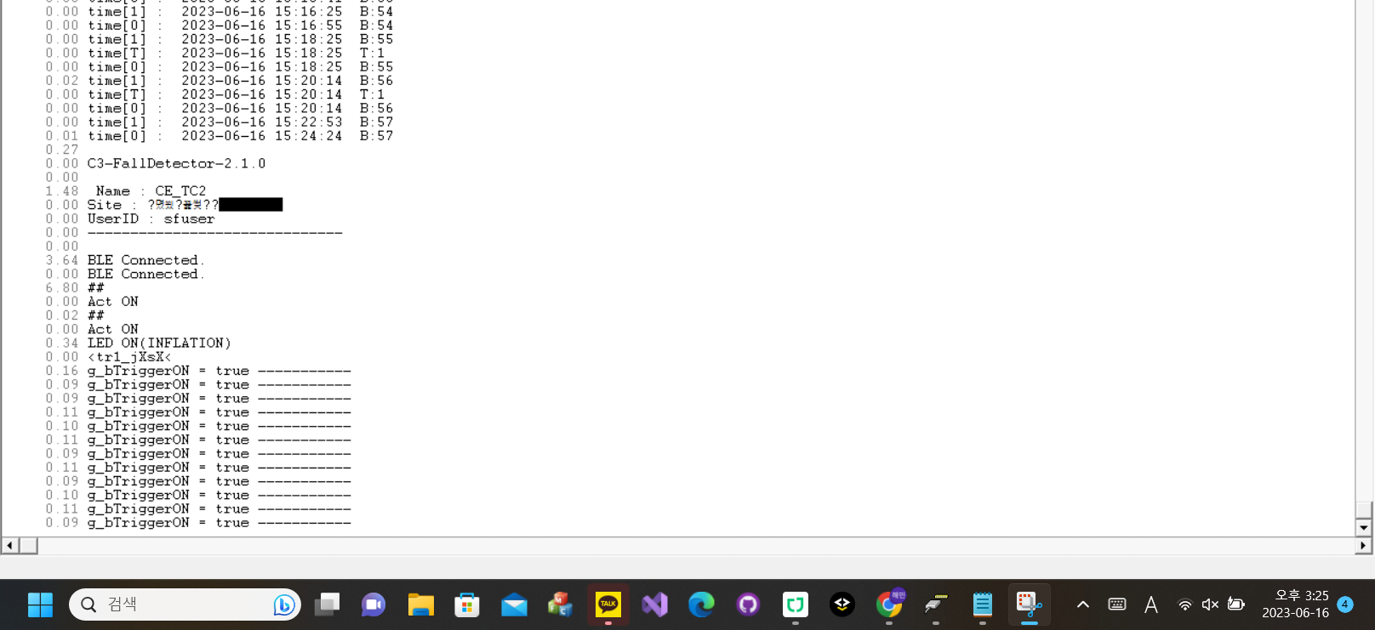
Time_diff | TimeStamp
 | 36.82 | gStart! CLK=48MHz, Ver=Ver0320_20230331
0 | 36.82 | <rst-c1.5<
0.02 | 36.84 | LoadFlashData............
0 | 36.84 | batt=2186
0 | 36.84 | Trigger=1
0 | 36.84 | 2186,00,-1,-1,00,01,-1
0 | 36.84 | 465,-43,-6835,-4640,78,28,488
0 | 36.84 | 466,-42,-6822,-4653,48,33,489
0 | 36.84 | 467,-31,-6834,-4644,37,28,495
0.01 | 36.85 | 468,-44,-6841,-4623,27,20,500
0 | 36.85 | 469,-36,-6826,-4627,-1,19,479
0 | 36.85 | 470,-25,-6832,-4647,-20,511,503
0 | 36.85 | 471,-37,-6848,-4646,-43,13,494
0.02 | 36.87 | 472,-31,-6798,-4597,-75,06,489
0 | 36.87 | 473,-22,-6809,-4605,-90,00,488
0 | 36.87 | 474,-47,-6821,-4620,-117,508,488
0 | 36.87 | 475,-36,-6827,-4642,-137,503,488
0 | 36.87 | 476,-54,-6824,-4645,-142,489,492
0 | 36.87 | 477,-40,-6813,-4654,-162,486,508
0 | 36.87 | 478,-53,-6802,-4643,-177,493,491
0.02 | 36.89 | 479,-45,-6806,-4676,-188,484,501
0 | 36.89 | 480,-44,-6806,-4664,-202,477,496
0 | 36.89 | 481,-40,-6798,-4646,-216,481,502
0.01 | 36.9 | 482,-57,-6789,-4680,-225,472,01
0 | 36.9 | 483,-56,-6786,-4645,-237,474,01
0 | 36.9 | 484,-43,-6787,-4675,-241,465,21
0 | 36.9 | 485,-40,-6779,-4682,-266,469,24
0 | 36.9 | 486,-58,-6753,-4664,-254,465,15
0 | 36.9 | 487,-46,-6787,-4698,-247,473,10
0.02 | 36.92 | 488,-39,-6783,-4709,-255,468,26
0 | 36.92 | 489,-41,-6762,-4709,-248,461,29
0 | 36.92 | 490,-26,-6754,-4730,-253,456,37
0 | 36.92 | 491,-33,-6736,-4727,-241,469,46
0 | 36.92 | 492,-27,-6744,-4699,-220,453,46
0.01 | 36.93 | 493,-27,-6757,-4723,-206,456,25
0 | 36.93 | 494,-31,-6746,-4724,-201,464,53
0 | 36.93 | 495,-22,-6743,-4721,-203,468,46
0 | 36.93 | 496,-12,-6724,-4741,-180,465,45
0 | 36.93 | 497,-34,-6746,-4729,-157,471,44
0 | 36.93 | 498,-25,-6739,-4741,-143,479,42
0.02 | 36.95 | 499,-38,-6716,-4721,-128,481,45
0 | 36.95 | 500,-31,-6706,-4752,-104,490,53
0 | 36.95 | 501,-25,-6713,-4742,-84,486,53
0 | 36.95 | 502,-12,-6738,-4745,-64,494,57
0 | 36.95 | 503,-23,-6727,-4745,-48,492,58
0.01 | 36.96 | 504,-16,-6715,-4750,-30,498,49
0 | 36.96 | 505,-21,-6696,-4742,-14,00,61
0 | 36.96 | 506,-20,-6705,-4760,22,511,53
0 | 36.96 | 507,-23,-6727,-4760,35,02,47
0.02 | 36.98 | 508,-27,-6738,-4746,64,07,46
0 | 36.98 | 509,-5,-6726,-4732,70,05,41
0 | 36.98 | 510,-7,-6726,-4743,95,11,48
0 | 36.98 | 511,-4,-6734,-4741,121,20,52
0 | 36.98 | 512,-18,-6752,-4741,121,28,48
0 | 36.98 | 513,-9,-6727,-4726,134,27,47
0.02 | 37 | 514,-15,-6746,-4717,148,25,38
0 | 37 | 515,-15,-6738,-4721,160,27,34
0 | 37 | 516,11,-6744,-4728,171,33,26
0 | 37 | 517,-36,-6755,-4720,177,36,33
0 | 37 | 518,-6,-6745,-4709,189,30,33
0.01 | 37.01 | 519,-6,-6775,-4704,189,42,33
0 | 37.01 | 520,-2,-6757,-4716,204,43,17
0 | 37.01 | 521,-18,-6757,-4714,205,50,08
0 | 37.01 | 522,-22,-6774,-4681,207,38,12
0 | 37.01 | 523,-20,-6772,-4684,204,50,10
0.02 | 37.03 | 524,-22,-6776,-4692,191,54,15
0 | 37.03 | 525,-16,-6787,-4670,193,50,24
0 | 37.03 | 526,-13,-6789,-4649,175,37,05
0 | 37.03 | 527,-28,-6796,-4647,165,46,00
0.01 | 37.04 | 528,-43,-6801,-4647,138,40,509
0 | 37.04 | 529,-19,-6808,-4645,132,44,500
0 | 37.04 | 530,-35,-6789,-4654,116,48,503
0 | 37.04 | 531,-28,-6815,-4634,109,37,505
0 | 37.04 | 532,-46,-6818,-4633,94,32,499
0 | 37.04 | 533,-25,-6802,-4662,66,32,492
0 | 37.04 | 534,-32,-6815,-4642,53,28,495
0.02 | 37.06 | 535,-2011,4952,3985,-23012,-1305,-271
0 | 37.06 | 536,-321,300,-600,-10098,2430,-1201
0 | 37.06 | 537,2090,-596,-1939,-4139,965,614
0 | 37.06 | 538,-471,-2173,-2441,-1385,1099,572
0 | 37.06 | 539,-46,-998,-1073,591,-660,226
0.01 | 37.07 | 540,-1057,-1480,16,2474,428,214
0 | 37.07 | 541,427,586,318,1746,-87,175
0 | 37.07 | 542,-171,-157,1168,314,1010,87
0 | 37.07 | 543,87,-56,357,-653,338,41
0 | 37.07 | 544,-166,-231,-377,-960,128,87
0.02 | 37.09 | 545,88,-120,-755,-438,-197,148
0 | 37.09 | 546,138,-306,-188,40,434,77
0 | 37.09 | 547,166,15,-215,123,310,509
0 | 37.09 | 548,-96,-129,162,-25,426,31
0 | 37.09 | 549,-11,-306,-44,-289,150,96
0 | 37.09 | 550,26,-208,-358,-325,123,128
0.01 | 37.1 | 551,12,-226,-321,-172,494,65
0 | 37.1 | 552,22,-305,-67,-111,390,46
0 | 37.1 | 553,-10,-266,-83,-203,07,63
0 | 37.1 | 1234,8491,-1695,2254,9004,313,7145
0.02 | 37.12 | 00,2143,759,-4019,3240,4751,113
0 | 37.12 | 01,158,5192,5060,3541,777,-713
0 | 37.12 | 02,-3551,5669,769,6339,-699,-2168
0 | 37.12 | 03,-2197,1652,-3294,3491,1324,-2139
0 | 37.12 | 04,796,-1681,2526,3356,-256,-2325
0.02 | 37.14 | 05,3796,-1276,-4193,1147,1077,-2581
0 | 37.14 | 06,3920,-3684,-11307,7239,993,-1343
0 | 37.14 | 07,10695,-8167,3092,9154,807,503
0 | 37.14 | 08,11084,-20424,-9386,10296,-1775,3218
0 | 37.14 | 09,2245,-19701,-5732,4322,-1910,4275
0.01 | 37.15 | 10,-724,-8850,-2473,2010,-1685,3218
0 | 37.15 | 11,559,-4107,-827,3195,-2217,3050
0 | 37.15 | 12,-510,-7030,-3531,3136,-1692,2420
0 | 37.15 | 13,-1631,-8846,-481,2651,-1575,1926
0.02 | 37.17 | 14,-1438,-7876,-1578,2278,-1784,1751
0 | 37.17 | 15,-1328,-7622,-1465,2241,-1314,1249
0 | 37.17 | 16,-1313,-8149,-1610,2029,-1460,639
0 | 37.17 | 17,-1242,-7878,-1387,1887,-1521,440
0 | 37.17 | 18,-1625,-8163,-1315,1979,-1143,-83
0.01 | 37.18 | 19,-1280,-8057,-1796,1646,-1077,-314
0 | 37.18 | 20,-1326,-7807,-1417,1722,-1143,-528
0 | 37.18 | 21,-684,-8227,-790,1630,-1242,-1168
0 | 37.18 | 22,-665,-9002,-46,1166,-839,-1444
0.02 | 37.2 | 23,551,-9062,829,834,-821,-1776
0 | 37.2 | 24,271,-9495,1170,266,-1471,-1584
0 | 37.2 | 25,765,-9255,154,-302,-1699,-2007
0.01 | 37.21 | 26,115,-9018,-450,-821,-1631,-1887
0 | 37.21 | 27,-111,-8526,-981,-1277,-1686,-1823
0 | 37.21 | 28,11,-8125,-676,-1309,-1791,-2269
0 | 37.21 | 29,119,-8823,-1323,-1486,-1405,-2231
0 | 37.21 | 30,553,-8228,-1141,-1580,-1037,-1795
0 | 37.21 | 31,1298,-8776,-1469,-1707,-1210,-2013
0 | 37.21 | 32,2101,-8667,-1450,-1837,-1246,-1295
0.02 | 37.23 | 33,2301,-7849,-1549,-2065,-832,-1279
0 | 37.23 | 34,2534,-7752,-1604,-2107,-889,-262
0 | 37.23 | 35,2647,-7678,-1616,-2337,-922,218
0 | 37.23 | 36,2577,-7380,-1528,-2485,-893,264
0.02 | 37.25 | 37,2674,-7789,-1655,-2684,-874,847
0 | 37.25 | 38,2328,-7687,-1456,-2941,-879,1438
0 | 37.25 | 39,1037,-9036,-1735,-3281,-930,1735
0 | 37.25 | 40,-379,-9117,-1614,-3799,-537,1441
0 | 37.25 | 41,-696,-7871,-1754,-4167,-616,1247
0.01 | 37.26 | 42,-4965,-9645,-12912,-2394,-595,-81
0 | 37.26 | 43,-1334,-4579,-3350,-2978,1176,-875
0 | 37.26 | 44,1453,-5902,-4314,-1460,312,-1707
0.02 | 37.28 | 45,2186,-6228,-7808,-2182,-304,-503
0 | 37.28 | 46,1752,-4681,-3716,-2135,-341,-161
0 | 37.28 | 47,1203,-5634,-6222,-1471,-149,05
0 | 37.28 | 48,806,-5309,-5183,-1231,128,369
0 | 37.28 | 49,83,-5541,-6034,-920,130,428
0 | 37.28 | 50,46,-5353,-5579,-387,56,131
0.01 | 37.29 | 51,469,-5579,-5666,-154,472,140
0 | 37.29 | 52,874,-5113,-5381,241,309,16
0 | 37.29 | 53,1315,-5595,-5877,661,297,448
0 | 37.29 | 54,1331,-5029,-5205,1018,351,441
0.02 | 37.31 | 55,1332,-5395,-5573,1452,446,398
0 | 37.31 | 56,963,-5162,-5331,1817,02,358
0 | 37.31 | 57,552,-5529,-5615,2306,492,356
0 | 37.31 | 58,211,-5338,-5188,2613,396,354
0 | 37.31 | 59,2133,-12198,-4472,2985,487,1097
0.01 | 37.32 | time[1] : 2023-06-16 14:54:42 B:44
0 | 37.32 | time[0] : 2023-06-16 14:54:42 B:44
0 | 37.32 | time[1] : 2023-06-16 14:55:00 B:45
0 | 37.32 | time[0] : 2023-06-16 14:55:00 B:45
0 | 37.32 | time[1] : 2023-06-16 14:56:26 B:46
0.02 | 37.34 | time[0] : 2023-06-16 14:56:26 B:46
0 | 37.34 | time[1] : 2023-06-16 14:56:40 B:47
0 | 37.34 | time[0] : 2023-06-16 14:56:40 B:47
0.01 | 37.35 | time[1] : 2023-06-16 14:57:38 B:48
0 | 37.35 | time[0] : 2023-06-16 14:57:38 B:48
0 | 37.35 | time[1] : 2023-06-16 14:58:05 B:49
0 | 37.35 | time[0] : 2023-06-16 14:58:05 B:49
0 | 37.35 | time[1] : 2023-06-16 15:06:45 B:50
0.02 | 37.37 | time[0] : 2023-06-16 15:06:45 B:50
0 | 37.37 | time[1] : 2023-06-16 15:07:03 B:51
0 | 37.37 | time[0] : 2023-06-16 15:07:03 B:51
0 | 37.37 | time[1] : 2023-06-16 15:10:00 B:52
0 | 37.37 | time[T] : 2023-06-16 15:10:00 T:1
0.02 | 37.39 | time[0] : 2023-06-16 15:10:00 B:52
0.01 | 37.4 | time[1] : 2023-06-16 15:13:41 B:53
0 | 37.4 | time[0] : 2023-06-16 15:13:41 B:53
0 | 37.4 | time[1] : 2023-06-16 15:16:25 B:54
0 | 37.4 | time[0] : 2023-06-16 15:16:55 B:54
0 | 37.4 | time[1] : 2023-06-16 15:18:25 B:55
0 | 37.4 | time[T] : 2023-06-16 15:18:25 T:1
0 | 37.4 | time[0] : 2023-06-16 15:18:25 B:55
0.02 | 37.42 | time[1] : 2023-06-16 15:20:14 B:56
0 | 37.42 | time[T] : 2023-06-16 15:20:14 T:1
0 | 37.42 | time[0] : 2023-06-16 15:20:14 B:56
0 | 37.42 | time[1] : 2023-06-16 15:22:53 B:57
0.01 | 37.43 | time[0] : 2023-06-16 15:24:24 B:57
0.27 | 37.7
0 | 37.7 | C3-FallDetector-2.1.0
0 | 37.7
1.48 | 39.18 | Name : CE_TC2
0 | 39.18 | Site : ?몄씠?꾩썾??
0 | 39.18 | UserID : sfuser
0 | 39.18 | ------------------------------
0 | 39.18
3.64 | 42.82 | BLE Connected.
0 | 42.82 | BLE Connected.
6.8 | 49.62 | ##
0 | 49.62 | Act ON
0.02 | 49.64 | ##
0 | 49.64 | Act ON
0.34 | 49.98 | LED ON(INFLATION)
0 | 49.98 | <tr1_jXsX<
0.16 | 50.14 | g_bTriggerON = true -----------
0.09 | 50.23 | g_bTriggerON = true -----------
0.09 | 50.32 | g_bTriggerON = true -----------
0.11 | 50.43 | g_bTriggerON = true -----------
0.1 | 50.53 | g_bTriggerON = true -----------
0.11 | 50.64 | g_bTriggerON = true -----------
0.09 | 50.73 | g_bTriggerON = true -----------
0.11 | 50.84 | g_bTriggerON = true -----------
0.09 | 50.93 | g_bTriggerON = true -----------
0.1 | 51.03 | g_bTriggerON = true -----------
0.11 | 51.14 | g_bTriggerON = true -----------
0.09 | 51.23 | g_bTriggerON = true -----------

TC2_6
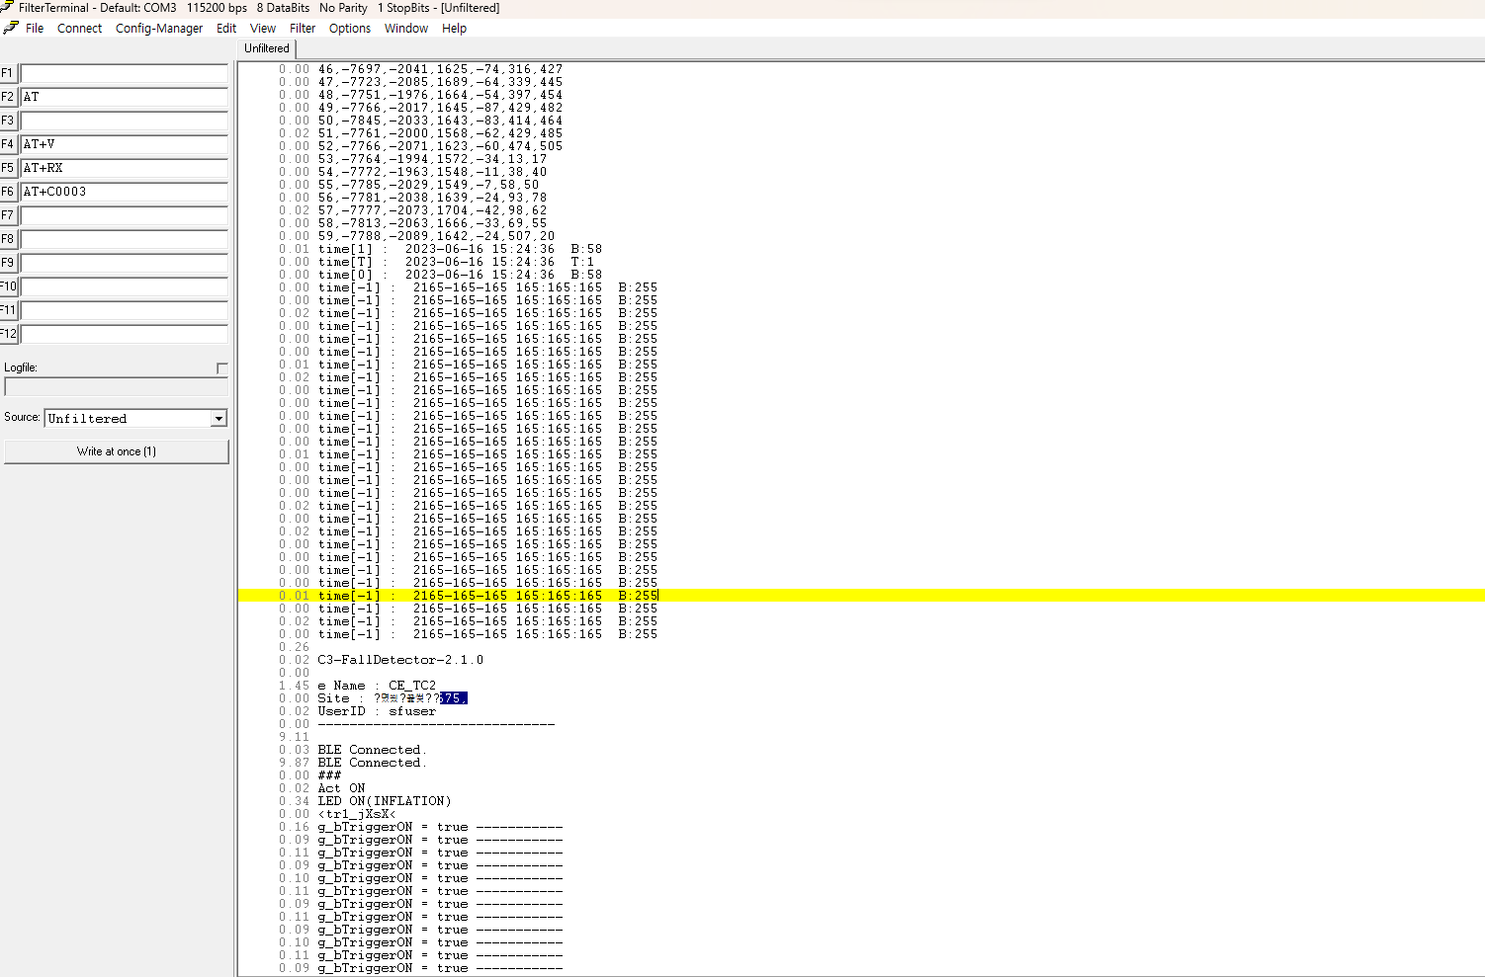
Time_diff | TimeStamp
 | 146.18 | gStart! CLK=48MHz, Ver=Ver0320_20230331
0 | 146.18 | <rst-c1.5<
0.02 | 146.2 | LoadFlashData............
0 | 146.2 | batt=2333
0 | 146.2 | Trigger=1
0.01 | 146.21 | 2333,00,-1,-1,00,01,-1
0 | 146.21 | 954,514,-4790,6689,-26,509,20
0 | 146.21 | 955,527,-4803,6689,-39,507,15
0 | 146.21 | 956,532,-4790,6652,-31,503,15
0 | 146.21 | 957,504,-4774,6649,-27,02,29
0 | 146.21 | 958,509,-4773,6650,-31,02,05
0 | 146.21 | 959,528,-4797,6668,-25,04,26
0 | 146.21 | 960,513,-4807,6701,-21,12,21
0 | 146.21 | 961,528,-4778,6682,-21,10,16
0.02 | 146.23 | 962,517,-4802,6662,-25,23,18
0 | 146.23 | 963,511,-4798,6662,-9,19,28
0 | 146.23 | 964,516,-4798,6669,-23,18,16
0 | 146.23 | 965,529,-4794,6684,-14,22,19
0 | 146.23 | 966,534,-4788,6660,-32,26,23
0 | 146.23 | 967,516,-4781,6655,-24,28,25
0.02 | 146.25 | 968,530,-4798,6672,-27,29,19
0 | 146.25 | 969,516,-4809,6681,-19,31,26
0 | 146.25 | 970,514,-4797,6693,-21,34,33
0 | 146.25 | 971,524,-4790,6644,-22,36,42
0.01 | 146.26 | 972,520,-4781,6639,-25,36,41
0 | 146.26 | 973,518,-4765,6659,-25,48,44
0 | 146.26 | 974,517,-4819,6682,-24,36,32
0 | 146.26 | 975,501,-4814,6707,-21,31,36
0 | 146.26 | 976,498,-4810,6659,-30,15,32
0 | 146.26 | 977,522,-4781,6628,-27,29,33
0 | 146.26 | 978,501,-4773,6675,-28,34,33
0.02 | 146.28 | 979,521,-4811,6691,-17,31,28
0 | 146.28 | 980,506,-4822,6682,-21,31,23
0 | 146.28 | 981,514,-4787,6668,-38,20,35
0 | 146.28 | 982,511,-4770,6650,-28,20,23
0.01 | 146.29 | 983,513,-4781,6672,-36,25,30
0 | 146.29 | 984,513,-4816,6694,-27,25,25
0 | 146.29 | 985,515,-4788,6677,-39,13,18
0.02 | 146.31 | 986,507,-4772,6632,-30,07,16
0 | 146.31 | 987,523,-4767,6608,-35,02,14
0 | 146.31 | 988,509,-4804,6689,-42,508,22
0 | 146.31 | 989,527,-4820,6679,-29,00,24
0 | 146.31 | 990,528,-4813,6669,-29,04,23
0 | 146.31 | 991,509,-4779,6662,-32,05,12
0 | 146.31 | 992,512,-4764,6662,-27,511,13
0 | 146.31 | 993,518,-4791,6645,-25,503,29
0 | 146.31 | 994,522,-4799,6675,-32,499,02
0.01 | 146.32 | 995,524,-4791,6675,-36,502,15
0 | 146.32 | 996,530,-4792,6674,-33,499,19
0 | 146.32 | 997,518,-4788,6675,-47,492,10
0 | 146.32 | 998,526,-4795,6663,-36,491,10
0 | 146.32 | 999,518,-4775,6659,-36,500,05
0 | 146.32 | 1000,518,-4784,6650,-30,496,13
0.02 | 146.34 | 00,524,-4776,6663,-32,501,504
0 | 146.34 | 01,513,-4796,6666,-33,494,06
0 | 146.34 | 02,524,-4814,6662,-26,492,13
0 | 146.34 | 03,502,-4809,6654,-34,480,04
0.02 | 146.36 | 04,514,-4815,6675,-34,482,05
0 | 146.36 | 05,527,-4797,6653,-27,485,04
0 | 146.36 | 06,532,-4798,6657,-36,480,04
0 | 146.36 | 07,522,-4779,6646,-27,495,511
0.01 | 146.37 | 08,517,-4782,6659,-27,487,10
0 | 146.37 | 09,508,-4810,6679,-29,492,13
0 | 146.37 | 10,529,-4793,6680,-29,488,10
0 | 146.37 | 11,519,-4785,6669,-17,498,15
0 | 146.37 | 12,513,-4793,6656,-28,498,10
0 | 146.37 | 13,518,-4806,6642,-22,498,13
0 | 146.37 | 14,518,-4789,6675,-27,494,10
0.02 | 146.39 | 15,524,-4787,6699,-28,502,08
0 | 146.39 | 16,526,-4777,6648,-29,496,10
0 | 146.39 | 17,515,-4781,6666,-22,510,07
0 | 146.39 | 18,519,-4798,6676,-21,10,26
0 | 146.39 | 19,523,-4796,6672,-25,07,23
0 | 146.39 | 20,530,-4784,6649,-22,04,23
0.01 | 146.4 | 21,526,-4786,6671,-21,00,09
0 | 146.4 | 22,516,-4779,6644,-15,03,18
0 | 146.4 | 23,513,-4788,6678,-21,06,30
0 | 146.4 | 24,1808,-1937,6605,501,321,496
0 | 146.4 | 25,1861,-1156,435,2900,-660,452
0.02 | 146.42 | 26,-410,709,-1667,3480,1351,660
0 | 146.42 | 27,-1352,2133,-4009,2311,759,689
0 | 146.42 | 28,-244,-119,3665,-1995,1826,356
0 | 146.42 | 29,-159,-525,2101,-2143,-1273,-492
0 | 146.42 | 30,-131,-1142,277,-119,-561,-508
0.01 | 146.43 | 31,-70,494,-318,-245,-641,-197
0 | 146.43 | 32,221,23,-1088,-39,-224,236
0 | 146.43 | 33,-11,-372,424,323,230,192
0 | 146.43 | 34,48,-278,842,365,756,53
0 | 146.43 | 35,-83,-22,-136,167,70,109
0.02 | 146.45 | 36,-140,-137,272,-66,-38,255
0 | 146.45 | 37,59,-260,389,-71,-103,247
0 | 146.45 | 38,53,-234,82,51,196,145
0 | 146.45 | 39,-3,-209,139,184,95,122
0 | 146.45 | 40,-8,-241,364,212,134,138
0 | 146.45 | 41,-22,-226,322,148,169,123
0.01 | 146.46 | 1234,-33,-335,453,239,04,31
0 | 146.46 | 00,-23,-419,574,254,498,62
0 | 146.46 | 01,-6814,5152,-7298,2541,-1881,534
0 | 146.46 | 02,2791,-32470,6752,-14506,-13044,1226
0.02 | 146.48 | 03,8087,17298,-9921,14540,-32766,6983
0 | 146.48 | 04,-6965,3054,-258,-8261,6526,9322
0 | 146.48 | 05,4368,-11763,16410,538,10225,11564
0 | 146.48 | 06,-136,-10924,7584,13992,21200,12111
0 | 146.48 | 07,-4870,-5281,4243,9674,17947,10746
0.02 | 146.5 | 08,-559,-3226,4258,4870,17084,9934
0 | 146.5 | 09,-970,-4347,7899,2824,18796,8499
0 | 146.5 | 10,-2303,-6270,1141,668,18160,9074
0 | 146.5 | 11,2592,-6794,4340,3813,18686,11457
0 | 146.5 | 12,-375,-2728,1858,-2880,18411,11133
0.01 | 146.51 | 13,-6718,-3381,-2510,-3651,16308,8859
0 | 146.51 | 14,-9785,-520,1616,-7015,9944,5362
0 | 146.51 | 15,-2982,3418,-5310,-8741,5084,-1486
0 | 146.51 | 16,-3184,904,-3199,-7161,-2145,-5411
0 | 146.51 | 17,-7315,360,-1953,-5080,-5101,-6775
0.02 | 146.53 | 18,-4637,-51,5222,-6751,-3537,-7948
0 | 146.53 | 19,-11436,6083,1156,-3295,-4792,-5942
0 | 146.53 | 20,-9410,2018,-6252,-4158,-5804,-3091
0 | 146.53 | 21,-10360,-5148,-1154,-1142,-7872,-2164
0.01 | 146.54 | 22,-8504,-2343,8123,17,-5843,-1265
0 | 146.54 | 23,-7344,-1736,4761,1592,-2650,-1669
0 | 146.54 | 24,-5546,-2559,2331,871,-3325,-1685
0 | 146.54 | 25,-6184,-2440,2957,834,-3461,-1987
0 | 146.54 | 26,-6748,-3160,3626,169,-3628,-1666
0.02 | 146.56 | 27,-7194,-3680,4026,25,-3183,-1453
0.01 | 146.57 | 28,-6883,-3236,4364,345,-3006,-1127
0 | 146.57 | 29,-6955,-3014,3824,204,-3053,-1504
0 | 146.57 | 30,-6711,-3016,3715,32,-2893,-1330
0 | 146.57 | 31,-6303,-3276,3747,-69,-2966,-1355
0 | 146.57 | 32,-6247,-3280,4121,146,-3011,-1466
0 | 146.57 | 33,-6302,-3222,4148,141,-2565,-1449
0 | 146.57 | 34,-6114,-3350,4331,41,-2892,-1308
0 | 146.57 | 35,-6237,-3514,4442,34,-2899,-1765
0.02 | 146.59 | 36,-6036,-3545,4456,44,-2889,-1733
0 | 146.59 | 37,-6022,-3547,4469,58,-2878,-1711
0 | 146.59 | 38,-5684,-3431,4485,100,-3306,-1666
0.02 | 146.61 | 39,-5553,-3549,4533,112,-3256,-1598
0 | 146.61 | 40,-5508,-3634,4762,180,-3180,-1542
0 | 146.61 | 41,-5438,-3684,4929,202,-3522,-1995
0 | 146.61 | 42,-5327,-3696,4933,226,-3440,-1897
0 | 146.61 | 43,-4984,-3745,4916,245,-3720,-2297
0 | 146.61 | 44,-4836,-3775,5165,248,-3988,-2149
0.01 | 146.62 | 45,-4770,-3801,5211,233,-4294,-2495
0 | 146.62 | 46,-4450,-4028,5338,332,-4460,-2809
0 | 146.62 | 47,-4296,-3939,5562,367,-4705,-2683
0 | 146.62 | 48,-4013,-4081,5425,415,-4923,-3034
0.02 | 146.64 | 49,-3911,-3889,5676,375,-5145,-3299
0 | 146.64 | 50,-3448,-3901,6091,408,-5874,-3541
0 | 146.64 | 51,-3028,-4102,5960,413,-6089,-3339
0 | 146.64 | 52,-2852,-4011,6005,483,-6203,-3678
0.01 | 146.65 | 53,-2587,-4387,6086,574,-6881,-4054
0 | 146.65 | 54,-1979,-4315,6688,696,-7127,-3893
0 | 146.65 | 55,-2136,-4799,6649,542,-7200,-4061
0 | 146.65 | 56,-1368,-5527,8215,1017,-7361,-3255
0.02 | 146.67 | 57,-1573,-6239,8484,1322,-6156,-2126
0 | 146.67 | 58,-36,-4651,9307,2894,-4294,-1014
0 | 146.67 | 59,-978,-3964,8766,1983,-1035,-300
0 | 146.67 | time[1] : 2023-06-16 15:24:36 B:58
0 | 146.67 | time[T] : 2023-06-16 15:24:36 T:1
0.01 | 146.68 | time[0] : 2023-06-16 15:24:36 B:58
0 | 146.68 | time[1] : 2023-06-16 15:26:33 B:59
0 | 146.68 | time[T] : 2023-06-16 15:26:33 T:1
0 | 146.68 | time[0] : 2023-06-16 15:26:33 B:59
0.02 | 146.7 | time[-1] : 2165-165-165 165:165:165 B:255
0 | 146.7 | time[-1] : 2165-165-165 165:165:165 B:255
0 | 146.7 | time[-1] : 2165-165-165 165:165:165 B:255
0 | 146.7 | time[-1] : 2165-165-165 165:165:165 B:255
0.01 | 146.71 | time[-1] : 2165-165-165 165:165:165 B:255
0 | 146.71 | time[-1] : 2165-165-165 165:165:165 B:255
0 | 146.71 | time[-1] : 2165-165-165 165:165:165 B:255
0.02 | 146.73 | time[-1] : 2165-165-165 165:165:165 B:255
0 | 146.73 | time[-1] : 2165-165-165 165:165:165 B:255
0 | 146.73 | time[-1] : 2165-165-165 165:165:165 B:255
0 | 146.73 | time[-1] : 2165-165-165 165:165:165 B:255
0.02 | 146.75 | time[-1] : 2165-165-165 165:165:165 B:255
0.01 | 146.76 | time[-1] : 2165-165-165 165:165:165 B:255
0 | 146.76 | time[-1] : 2165-165-165 165:165:165 B:255
0 | 146.76 | time[-1] : 2165-165-165 165:165:165 B:255
0 | 146.76 | time[-1] : 2165-165-165 165:165:165 B:255
0 | 146.76 | time[-1] : 2165-165-165 165:165:165 B:255
0 | 146.76 | time[-1] : 2165-165-165 165:165:165 B:255
0.02 | 146.78 | time[-1] : 2165-165-165 165:165:165 B:255
0 | 146.78 | time[-1] : 2165-165-165 165:165:165 B:255
0 | 146.78 | time[-1] : 2165-165-165 165:165:165 B:255
0 | 146.78 | time[-1] : 2165-165-165 165:165:165 B:255
0.01 | 146.79 | time[-1] : 2165-165-165 165:165:165 B:255
0 | 146.79 | time[-1] : 2165-165-165 165:165:165 B:255
0 | 146.79 | time[-1] : 2165-165-165 165:165:165 B:255
0.28 | 147.07
0 | 147.07 | C3-FallDetector-2.1.0
0 | 147.07
1.47 | 148.54 | Name : CE_TC2
0 | 148.54 | Site : ?몄씠?꾩썾??
0 | 148.54 | UserID : sfuser
0 | 148.54 | ------------------------------
0.02 | 148.56
8.65 | 157.21 | BLE Connected.
0 | 157.21 | BLE Connected.
3.13 | 160.34 | ##
0.02 | 160.36 | Act ON
0 | 160.36 | ##
0 | 160.36 | Act ON
0.34 | 160.7 | LED ON(INFLATION)
0.01 | 160.71 | <tr1_jXsX<
0.15 | 160.86 | g_bTriggerON = true -----------
0.1 | 160.96 | g_bTriggerON = true -----------
0.1 | 161.06 | g_bTriggerON = true -----------
0.11 | 161.17 | g_bTriggerON = true -----------
0.09 | 161.26 | g_bTriggerON = true -----------
0.1 | 161.36 | g_bTriggerON = true -----------
0.1 | 161.46 | g_bTriggerON = true -----------
0.1 | 161.56 | g_bTriggerON = true -----------
0.11 | 161.67 | g_bTriggerON = true -----------
0.09 | 161.76 | g_bTriggerON = true -----------
0.1 | 161.86 | g_bTriggerON = true -----------
0.1 | 161.96 | g_bTriggerON = true -----------
175.32 | 337.28 | gActuator detect fail!!!! c=0
3.87 | 341.15 | Actuator detect fail!!!! c=1
3.89 | 345.04 | Actuator detect fail!!!! c=2
3.89 | 348.93 | Actuator detect fail!!!! c=3

